2030 Market sizing exercise
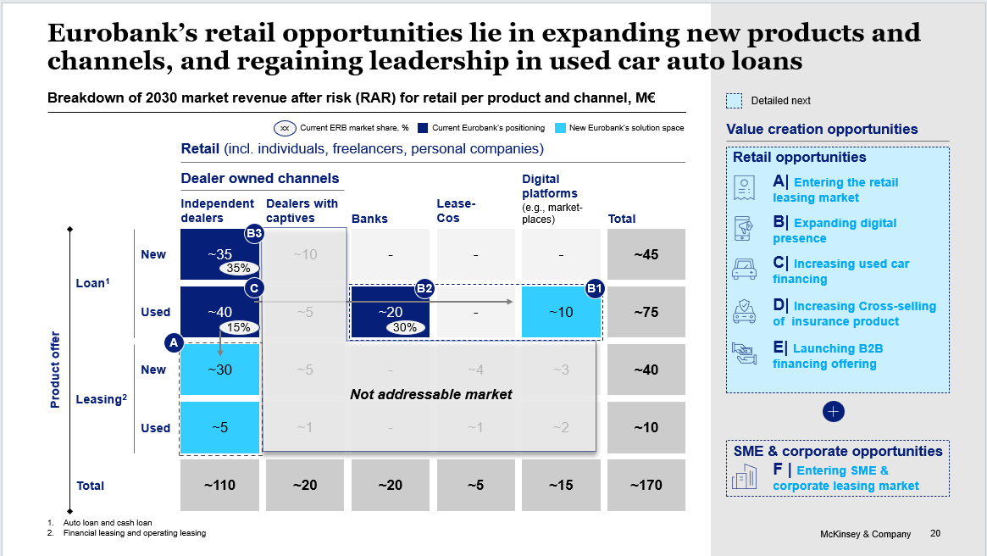
2030 market sizing exercize

4. Expand digital presence
 | Summary of business cases
 | Business case | Segment | Product | Car type | Channel | Item | UoM | 2024 | 2024-30 growth | 2030 |  |  | Notes/ source
 |  |  |  |  |  |  |  |  |  | Min | Max
Summary | Expand digital presence | Retail | Auto loan | New |  | RAR | €M | 0 | 0 | 0.5 | 0.8
Summary | Expand digital presence | Retail | Auto loan | Used |  | RAR | €M | 0 | 0 | 2.3 | 3.1
Summary | Expand digital presence | Retail | Auto loan | Total |  | RAR | €M | 0 | 0 | 2.9 | 3.9
Summary | Expand digital presence | Retail | Cash loan | New |  | RAR | €M | 1 | 1 | 1.1 | 1.2
Summary | Expand digital presence | Retail | Cash loan | Used |  | RAR | €M | 4 | 5 | 6.5 | 7.5
Summary | Expand digital presence | Retail | Cash loan | Total |  | RAR | €M | 5 | 6 | 7.6 | 8.7
Summary | Total | Retail | Loan | Used | Total | RAR | €M | 5 | 6 | 10.5 | 12.6
Summary | Eurobank | Retail | Personal cash loan | Total | Total | o/w incremental RAR 2024-2030 | €M |  |  | 4.5 | 6.6
Summary | Expand digital presence | Retail | Auto loan | New | Total | cars financed | k# | - | - | 0.5 | 0.7
Summary | Expand digital presence | Retail | Auto loan | Used | Total | cars financed | k# | - | - | 1.5 | 2.0
Summary | Expand digital presence | Retail | Auto loan | Total | Total | cars financed | k# | - | - | 1.9 | 2.7
Summary | Expand digital presence | Retail | Cash loan | New | Total | cars financed | k# | 1 | 1 | 1.3 | 1.4
Summary | Expand digital presence | Retail | Cash loan | Used | Total | cars financed | k# | 6 | 6 | 7.9 | 9.0
Summary | Expand digital presence | Retail | Cash loan | Total | Total | cars financed | k# | 7 | 7 | 9.1 | 10.5
Summary | Expand digital presence | Retail | Auto loan | New | Total | Loan disbursements | €M | - | - | 7.9 | 11.9
Summary | Expand digital presence | Retail | Auto loan | Used | Total | Loan disbursements | €M | 0 | 0 | 16.2 | 21.1
Summary | Expand digital presence | Retail | Auto loan | Total | Total | Loan disbursements | €M | 0 | 0 | 24.2 | 33.1
 | Expand digital presence | Retail | Auto loan | Total | Total | o/w incremental 2024-2030 | €M |  | 0 | 24.2 | 33.1
Summary | Expand digital presence | Retail | Cash loan | New | Total | Loan disbursements | €M | 5 | 6 | 7.3 | 8.4
Summary | Expand digital presence | Retail | Cash loan | Used | Total | Loan disbursements | €M | 31 | 36 | 45.6 | 52.2
Summary | Expand digital presence | Retail | Cash loan | Total | Total | Loan disbursements | €M | 37 | 42 | 52.9 | 60.6
 | Expand digital presence | Retail | Cash loan | Total | Total | o/w incremental 2024-2030 | €M |  | 5 | 11.1 | 18.8
 | Expand digital presence | Retail | Total | Total | Total | Loan disbursements | €M | 37 | 42 | 77.1 | 93.6
 | Expand digital presence | Retail | Total | Total | Total | o/w incremental 2024-2030 | €M |  | 5 | 35.3 | 51.9

Expand Loan availability via used cars marketplaces/ aggregators (e.g., Car.gr, Cardom)
 | 1. Digital marketplaces
 |  |  |  |  |  |  |  |  | Cardom | 133
 |  |  |  |  |  |  |  |  | Car.gr | 1200
 | Marketplaces: listings per channel (istant)
 | Marketplace | Segment | Product | Car type | Channel | Item | UoM | 2024 | % | 2030 |  |  | Notes/ source
 | Car.gr | Retail | Loan | Used | Total | Car listings | # k | 135 | 100% | 180
 | Car.gr | Retail | Loan | Used | B2C | Car listings | # k | 75 | 56% | 100.0
 | Car.gr | Retail | Loan | Used | C2C | Car listings | # k | 60 | 44% | 80.0
 | Cardom | Retail | Loan | Used | B2C | Car listings | # k | 0.2 | 100% | 0.4
 | Cardom | Retail | Loan | Used | Total | 2024-2030 CAGR | % |  |  | 10% |  |  | Assuming Cardom will grow double vs. Car.gr as it is a newly established marketplace

 | Marketplaces: listings per channel (yearly)

 | Marketplace | Segment | Product | Car type | Channel | Item | UoM | 2024 | % | 2030 |  |  | Notes/ source
 | Car.gr | Retail | Loan | Used | Total | Car listings | # k | 135 | 100% | 180 |  |  | Adjustment for average listing rotation is not applied, as the total number of listings includes older inventory. It is assumed that Car.gr provides a comprehensive snapshot, reflecting the entire used car market.
 | Car.gr | Retail | Loan | Used | B2C | Car listings | # k | 75 | 56% | 100 |  |  | Adjustment for average listing rotation is not applied, as the total number of listings includes older inventory. It is assumed that Car.gr provides a comprehensive snapshot, reflecting the entire used car market.
 | Car.gr | Retail | Loan | Used | B2C | Car listings | # k | 60 | 44% | 80 |  |  | Adjustment for average listing rotation is not applied, as the total number of listings includes older inventory. It is assumed that Car.gr provides a comprehensive snapshot, reflecting the entire used car market.
 | Cardom | Retail | Loan | Used | Total | Car listings | # k | 1 | 100% | 3
 | Total | Retail | Loan | Used | Total | Car listings | #k | 136 |  | 183

 | Avg. listing rotation | 6 | times per year

 | Car.gr business case
 | Marketplace | Segment | Product | Car type | Channel | Item | UoM | 2024 |  | 2030 |  |  | Notes/ source

 | Car.gr | Retail |  | Used | Total | TBI + Alphabank disbursements | €M | 9
 | Car.gr | Retail |  | Used | Total | Avg. Loan amount | € | 5,000
 | Car.gr | Retail |  | Used | Total | Cars financed | # k | 2 |  | 6
 | Car.gr | Retail |  | Used | Total | 2024 conversion rate | % | 1.5% |  | 0.0%
 | Car.gr | Retail |  | Used | B2C | 2030 conversion rate | % |  |  | 4.0% |  |  | Based on Mobile.de example
 | Car.gr | Retail |  | Used | C2C | Conversion rate | % |  |  | 3.0% |  |  | Assuming C2C conversion rate will double from 2024 to 2030
 | Car.gr | Retail | Auto loan | Used | B2C | Cars financed | k # | 1.1 |  | 4
 | Car.gr | Retail | Cash loan |  | C2C | Cars financed | k # | 0.9 |  | 2
 | Car.gr | Retail | Auto loan | Used | B2C | RAR | €M | 1.5 |  | 6.3
 | Car.gr | Retail | Cash loan | Used | C2C | RAR | €M | 0.6 |  | 2.0
 | Car.gr | Retail | Loan | Used | Total | RAR | €M | 2.2 |  | 8.3
 |  |  |  |  |  |  |  |  | Car.gr | 720
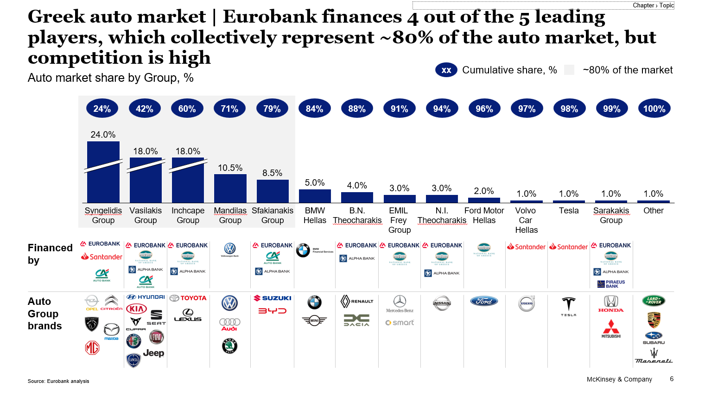
 | All marketplaces business case
 | Marketplace | Segment | Product | Car type | Channel | Item | UoM | 2024 |  | 2030 |  |  | Notes/ source
 |  |  |  |  |  |  |  |  |  | Min | Max
 | Car.gr | Retail | Auto loan | Used | B2C | Market share | % | 100% |  | 90% | 90% |  | Assuming Car.gr will have 90% of B2C market
 | Cardom | Retail | Auto loan | Used | B2C | Market share | % | 0% |  | 10% | 10%
 | Car.gr | Retail | Cash loan | Used | C2C | Market share | % | 100% |  | 100% | 100%
 | Total market | Retail | Auto loan | Used | B2C | RAR | €M | 1.5 |  | 7.0 | 7.0
 | Total market | Retail | Cash loan | Used | C2C | RAR | €M | 0.6 |  | 2.0 | 2.0
 | Total market | Retail | Loan | Used | Total | RAR | €M | 2.2 |  | 9.0 | 9.0
 | Car.gr | Retail | Auto loan | Used | B2C | ERB market share | % | 0% |  | 30% | 40%
 | Car.gr | Retail | Cash loan | Used | C2C | ERB market share | % | 0% |  | 30% | 35%
 | Cardom | Retail | Auto loan | Used | B2C | ERB market share | % | 0% |  | 30% | 40%
Summary | Car.gr | Retail | Auto loan | Used | B2C | RAR | €M | 0.0 |  | 1.9 | 2.5
Summary | Car.gr | Retail | Cash loan | Used | C2C | RAR | €M | 0.0 |  | 0.6 | 0.7
Summary | Cardom | Retail | Auto loan | Used | B2C | RAR | €M | 0.0 |  | 0.2 | 0.3
 | Total | Retail | Loan | Used | Total | RAR | €M | - |  | 3.0 | 4.0
 | Eurobank | Retail | Personal cash loan | Total | Total | o/w incremental RAR 2024-2030 | €M |  |  | 3.0 | 4.0
Summary | Car.gr | Retail | Auto loan | Used | B2C | cars financed | k# | 0 |  | 1.20 | 1.60
Summary | Car.gr | Retail | Cash loan | Used | C2C | cars financed | k# | 0 |  | 0.72 | 0.84
Summary | Cardom | Retail | Auto loan | Used | B2C | cars financed | k# | 0 |  | 0.13 | 0.18
 | Total ERB | Retail | Auto loan | Used | B2C | cars financed | k# | 0 |  | 2.05 | 2.62
Summary | Car.gr | Retail | Auto loan | Used | B2C | Loan disbursements | €M |  |  | 13.22 | 17.63
Summary | Car.gr | Retail | Cash loan | Used | C2C | Loan disbursements | €M |  |  | 4.17 | 4.87
Summary | Cardom | Retail | Auto loan | Used | B2C | Loan disbursements | €M |  |  | 1.47 | 1.96
 | Total ERB | Retail | Auto loan | Used | B2C | Loan disbursements | €M |  |  | 18.86 | 24.46

 | Opex business case
 | Marketplace | Segment | Loan product | Car type | Channel | Item | UoM | 2024 |  | 2030 | 2030
 |  |  |  |  |  |  |  |  |  | Min | Max
 | Car.gr | Retail | Total | Used | Total | Marketing fee | €M | - |  | 0.1 | 0.1
 | Car.gr | Total | Total | Used | Total | Commission on loan | % | - |  | 3% | 3%
 | Car.gr | Retail | Auto loan | Used | B2B | Loan disbursements | €M |  |  | 13 | 18
 | Car.gr | Retail | Cash loan | Used | C2C | Loan disbursements | €M |  |  | 4 | 5
 | Car.gr | Retail | Auto loan | Used | B2C | Commission on loan | €M | - |  | 0.4 | 0.5
 | Car.gr | Retail | Cash loan | Used | C2C | Commission on loan | €M | - |  | 0.1 | 0.1
 | Car.gr | Retail | Total | Used | Total | Opex | k€ | - |  | 0.5 | 0.7
 | Cardom | Retail | Auto loan | Used | B2C | Loan disbursements | €M |  |  | 1 | 2
 | Cardom | Retail | Auto loan | Used | B2C | Marketing fee | €M | - |  | 0 | 0
 | Cardom | Retail | Auto loan | Used | B2C | Commission on loan | % | - |  | 3% | 3%
 | Cardom | Retail | Auto loan | Used | B2C | Commission on loan | €M | - |  | 0 | 0
 | Car.gr | Retail | Total | Used | Total | Opex + Capex | k€ |  |  | 0 | 0

 | 2. OEMs D2C opportunity
Integrate Eurobank car financing offering with OEM captives (e.g., Toyota) digital channels

 | OEM | Segment | Product | Car type | Channel | Item | UoM |  |  | 2030 |  |  | Notes/ source
 |  |  |  |  |  |  |  |  |  | Min | Max
 | All | Retail | Auto loan | Total | B2C | RAR | €M |  |  | 75 | 75
 | Toyota | Retail | Auto loan | Total | B2C | Market share | % | 18% |  | 18% | 18%
 | Toyota | Retail | Auto loan | Total | B2C | RAR | €M | - |  | 13.5 | 13.5
 | Toyota | Retail | Auto loan | Total | B2C - digital | Share of digital financing | % | 0% |  | 10% | 15% |  | Assuming that by 2030 10%-15% of sales of Toyota will happen via digital channels; we assume incrase MS from 45% to 50% (+6-8 p.p.)
 | Toyota | Retail | Auto loan | Total | B2C - digital | Incremental ERB MS |  | 45% |  | 6% | 8%
Summary | Toyota | Retail | Auto loan | New | B2C - digital | RAR | €M |  |  | 1 | 1
Summary | Toyota | Retail | Auto loan | Used | B2C - digital | RAR | €M |  |  | 0 | 0
 | Toyota | Retail | Auto loan | Total | Independent dealers (B2C) | RAR | €M |  |  | 1 | 1
 | Toyota | Retail | Auto loan | Total | Total | o/w incremental RAR 2024-2030 | €M |  |  | 1 | 1
Summary | Toyota | Retail | Auto loan | New | B2C | cars financed | k# | 0 |  | 0.5 | 0.7
Summary | Toyota | Retail | Auto loan | Used | B2C | cars financed | k# | 0 |  | 0.1 | 0.2
 | Total ERB | Retail | Auto loan | Used | B2C | cars financed | k# | 0 |  | 0.6 | 0.9
Summary | Toyota | Retail | Auto loan | New | B2C | Loan disbursements | €M |  |  | 8 | 12
Summary | Toyota | Retail | Auto loan | Used | B2C | Loan disbursements | €M |  |  | 2 | 2
 | Toyota | Retail | Auto loan | Used | B2C | Loan disbursements | €M |  |  | 9 | 13

 | 3. D2C cash loan for auto
Offer a D2C cash loan for auto on direct channels

 | Bank | Segment | Loan product | Car type | Channel | Item | UdM | 2024 | 2030 growth | 2030 |  |  | Notes/ source
 |  |  |  |  |  |  |  |  |  | Min | Max
 | Total | Retail | Cash loan | Total | Total | Consumer cash loan disbursements | €M | 718 | 844
 | Total | Retail | Cash loan | Total | Total | o/w for auto | % | 17% | 17%
 | Total | Retail | Cash loan | Total | Total | o/w for auto | €M | 122 | 144 |  |  |  | From ERB 2024 customer survey - it is assumed applicable to total personal cash loan market
 | Eurobank | Retail | Cash loan | Total | Total | ERB market share | % | 30% | 30% | 35% | 40%
 | Eurobank | Retail | Cash loan | Total | Total | Loan disbusements | €M | 37 | 43
Summary | Eurobank | Retail | Cash loan | New | Total | RAR | €M | 1 | 1 | 1 | 1
Summary | Eurobank | Retail | Cash loan | Used | Total | RAR | €M | 4 | 5 | 6 | 7
 | Eurobank | Retail | Cash loan | Total | Total | RAR | €M | 5 | 6 | 7 | 8
 | Eurobank | Retail | Cash loan | Total | Total | o/w incremental RAR 2024-2030 | €M |  | 1 | 1 | 2
 | Total | Retail | Cash loan | Total | Total | Total market RAR | €M | 17 | 20 | 20 | 20 |  | Market sizing exercise
Summary | Eurobank | Retail | Cash loan | New | Total | cars financed | k# | 1.10 | 1.08 | 1.3 | 1.4
Summary | Eurobank | Retail | Cash loan | Used | Total | cars financed | k# | 6.22 | 6.13 | 7.1 | 8.2
 | Eurobank | Retail | Cash loan | Total | Total | cars financed | k# | 7.32 | 7.21 | 8.4 | 9.6
Summary | Eurobank | Retail | Cash loan | New | Total | Loan disbursements | €M | 5.490000 | 6.269350 | 7.314241 | 8.359133
Summary | Eurobank | Retail | Cash loan | Used | Total | Loan disbursements | €M | 31.110000 | 35.526316 | 41.447368 | 47.368421
 | Eurobank | Retail | Cash loan | Total | Total | Loan disbursements | €M | 36.600000 | 43.058824 | 48.761610 | 55.727554
 |  |  |  |  |  | o/w incremental 2024-2030 | €M |  |  | 6 | 7
 |  |  |  |  |  |  |  | 5.0000 |  | 1,261 | 1,442 | 1,352
 |  |  |  |  |  |  |  | 5.0000 |  | 7,148 | 8,169 | 7,659

 |  |  |  |  |  |  |  |  |  | 7,314,241 | 8,359,133 | 7,836,687
 |  |  |  |  |  |  |  | 5 |  | 41,447,368 | 47,368,421 | 44,407,895
 |  |  |  |  |  |  |  | 5000000
 |  |  |  |  |  | 200 | 22
 |  |  |  |  |  | 370 | 130

 |  |  |  |  |  |  |  |  |  | 1,200 | 1,600 | 1,400
 |  |  |  |  |  |  |  |  |  | 13,220,505 | 17,627,340 | 15,423,922
 |  |  |  |  |  |  |  |  |  |  |  | 11017

 |  |  |  |  |  |  |  |  |  | 720 | 840 | 780
 |  |  |  |  |  |  |  |  |  | 4,174,896 | 4,870,712 | 4,522,804
 |  |  |  |  |  |  |  |  |  |  |  | 5798

 |  |  |  |  |  |  |  |  |  | 133 | 178 | 156
 |  |  |  |  |  |  |  |  |  | 1,468,945 | 1,958,593 | 1,713,769
 |  |  |  |  |  |  |  |  |  |  |  | 11017

